Sheet3
Order Date | Product | Region | SalesRep | Customer | Order Quantity | Sales | COGS
2013-10-01 | Sauvignon Blanc | East | Sean | AA | 16 | $1,432.17 | $232.99
2010-10-18 | Chardonnay | East | Gerald | KBTB | 24 | $528.50 | $240.35
2010-07-05 | Reisling | East | Pam | AST | 30 | $810.71 | $435.64
2012-02-05 | Reisling | East | Pam | SFWK | 19 | $418.54 | $190.05
2013-10-30 | Reisling | East | Pam | FM | 38 | $722.22 | $304.06
2010-08-27 | Chardonnay | East | Kayen | FM | 20 | $5,000.00 | $220.63
2012-01-10 | Chardonnay | East | Pam | WSD | 23 | $483.58 | $213.57
2013-12-11 | Chardonnay | East | Sean | PCC | 6 | $114.53 | $48.26
2011-03-02 | Chardonnay | East | Sean | BBT | 29 | $609.12 | $269.16
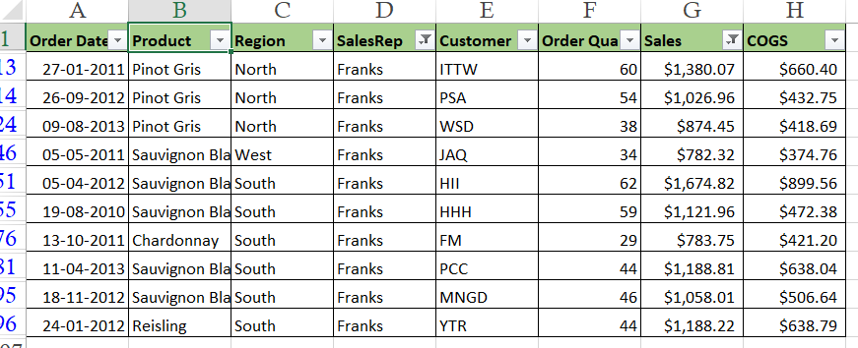
2010-03-18 | Sauvignon Blanc | North | Pam | TTT | 57 | $1,197.90 | $527.98
2013-09-07 | Reisling | North | Franks | ET | 12 | $228.89 | $96.02
2011-01-27 | Pinot Gris | North | Franks | ITTW | 60 | $1,380.07 | $660.40
2012-09-26 | Pinot Gris | North | Franks | PSA | 54 | $1,026.96 | $432.75
2010-10-11 | Pinot Gris | North | Wilbur | QT | 40 | $760.24 | $320.20
2013-01-18 | Chardonnay | North | Sean | KPSA | 18 | $414.11 | $198.71
2013-10-30 | Reisling | North | Sean | PCC | 64 | $1,728.81 | $928.38
2011-07-03 | Reisling | North | Franks | HHH | 12 | $276.06 | $132.56
2010-08-07 | Chardonnay | North | Sean | PCC | 22 | $462.22 | $203.57
2013-05-19 | Reisling | North | Pam | T | 61 | $1,281.10 | $565.15
2011-07-09 | Chardonnay | North | Pam | WT | 53 | $1,113.70 | $490.31
2010-05-05 | Chardonnay | North | Wilbur | T | 27 | $594.09 | $270.42
2011-11-18 | Reisling | North | Kayen | HII | 16 | $432.67 | $232.20
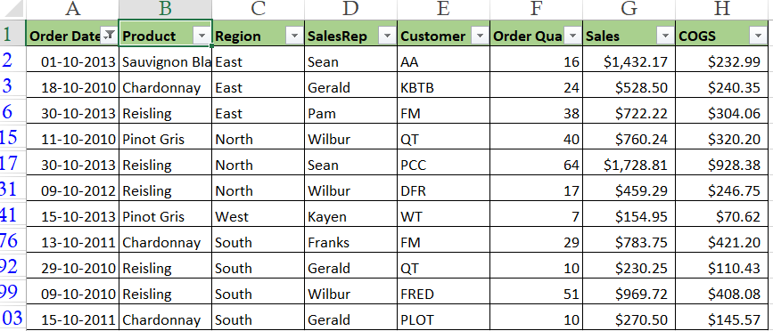
2013-08-09 | Pinot Gris | North | Franks | WSD | 38 | $874.45 | $418.69
2013-07-20 | Sauvignon Blanc | North | Pam | EPP | 40 | $880.38 | $400.89
2011-02-08 | Reisling | North | Wilbur | PCC | 42 | $798.53 | $336.16
2011-12-26 | Chardonnay | North | Kayen | WSD | 26 | $572.42 | $260.27
2011-05-06 | Chardonnay | North | Sean | QT | 15 | $330.61 | $150.43
2012-05-15 | Chardonnay | North | Gerald | TRU | 27 | $567.18 | $250.66
2012-06-13 | Sauvignon Blanc | North | Pam | AA | 63 | $1,449.21 | $693.64
2012-10-09 | Reisling | North | Wilbur | DFR | 17 | $459.29 | $246.75
2010-12-20 | Sauvignon Blanc | West | Wilbur | MBG | 17 | $357.55 | $157.95
2013-03-29 | Sauvignon Blanc | West | Gerald | FM | 7 | $154.34 | $70.00
2010-01-17 | Pinot Gris | West | Wilbur | TTT | 8 | $152.76 | $64.12
2012-03-23 | Chardonnay | West | Kayen | TRU | 30 | $570.22 | $240.67
2011-01-15 | Chardonnay | West | Sean | MBG | 47 | $987.62 | $435.15
2012-04-29 | Reisling | West | Wilbur | KBTB | 65 | $1,755.71 | $942.93
2013-08-23 | Pinot Gris | West | Franks | ITW | 14 | $378.27 | $203.62
2013-06-13 | Pinot Gris | West | Wilbur | BBT | 49 | $1,323.81 | $711.49
2011-01-31 | Chardonnay | West | Gerald | ITW | 19 | $399.02 | $176.55
2013-10-15 | Pinot Gris | West | Kayen | WT | 7 | $154.95 | $70.62
2011-02-27 | Sauvignon Blanc | West | Pam | PLOT | 57 | $1,254.57 | $570.77
2012-05-21 | Reisling | West | Pam | PSA | 33 | $627.32 | $264.54
2010-12-02 | Sauvignon Blanc | West | Pam | PSA | 40 | $880.60 | $400.47
2013-03-18 | Sauvignon Blanc | West | Wilbur | FM | 52 | $1,196.03 | $572.81
2011-05-05 | Sauvignon Blanc | West | Franks | JAQ | 34 | $782.32 | $374.76
2010-04-15 | Chardonnay | West | Gerald | AST | 63 | $1,323.35 | $583.36
2011-01-22 | Reisling | West | Kayen | YTR | 11 | $209.92 | $88.73
2010-12-02 | Reisling | West | Sean | YTR | 56 | $1,232.05 | $560.29
2010-12-02 | Pinot Gris | South | Wilbur | QT | 31 | $713.28 | $341.34
2012-04-05 | Sauvignon Blanc | South | Franks | HII | 62 | $1,674.82 | $899.56
2010-08-06 | Sauvignon Blanc | South | Gerald | SFWK | 43 | $1,161.25 | $623.75
2013-11-10 | Sauvignon Blanc | South | Sean | PCC | 39 | $897.63 | $429.68
2013-07-22 | Chardonnay | South | Kayen | EPP | 61 | $1,647.26 | $885.17
2010-08-19 | Sauvignon Blanc | South | Franks | HHH | 59 | $1,121.96 | $472.38
2011-12-20 | Chardonnay | South | Wilbur | PCC | 16 | $352.20 | $160.66
2013-08-14 | Reisling | South | Kayen | PCC | 10 | $270.78 | $145.73
2013-01-01 | Chardonnay | South | Franks | AA | 24 | $456.41 | $192.14
2012-07-12 | Chardonnay | South | Franks | DFGH | 20 | $441.00 | $200.54
2013-02-12 | Chardonnay | South | Gerald | MNGD | 12 | $252.44 | $111.66
2010-11-04 | Pinot Gris | South | Pam | DFR | 59 | $1,298.92 | $590.75
2012-02-11 | Pinot Gris | South | Kayen | PCC | 62 | $1,178.07 | $496.92
2011-01-16 | Chardonnay | South | Wilbur | PLOT | 17 | $459.95 | $247.23
2013-12-20 | Reisling | South | Wilbur | YTR | 53 | $1,219.70 | $583.68
2010-01-28 | Reisling | South | Sean | AST | 8 | $152.24 | $64.99
2010-01-28 | Chardonnay | South | Sean | T | 35 | $770.80 | $350.53
2013-02-18 | Sauvignon Blanc | South | Kayen | ET | 59 | $1,357.25 | $649.15
2013-09-02 | Pinot Gris | South | Gerald | PSA | 10 | $220.18 | $100.84
2013-07-08 | Pinot Gris | South | Sean | YTR | 58 | $1,102.81 | $464.06
2011-05-27 | Pinot Gris | South | Kayen | FM | 58 | $1,566.83 | $841.43
2012-04-30 | Reisling | South | Pam | DFR | 23 | $437.92 | $184.33
2012-06-29 | Chardonnay | South | Wilbur | QT | 64 | $1,216.12 | $512.86
2012-12-22 | Reisling | South | Pam | HHH | 13 | $273.10 | $120.64
2011-12-29 | Sauvignon Blanc | South | Wilbur | TRU | 11 | $242.26 | $110.91
2010-08-05 | Sauvignon Blanc | South | Gerald | ITW | 56 | $1,512.60 | $812.83
2011-10-13 | Chardonnay | South | Franks | FM | 29 | $783.75 | $421.20
2013-02-08 | Reisling | South | Wilbur | KBTB | 29 | $667.99 | $319.45
2012-11-18 | Sauvignon Blanc | South | Pam | AST | 53 | $1,166.31 | $530.24
2011-05-06 | Reisling | South | Sean | YTR | 35 | $770.18 | $350.66
2012-05-03 | Chardonnay | South | Wilbur | WT | 6 | $132.34 | $60.58
2013-04-11 | Sauvignon Blanc | South | Franks | PCC | 44 | $1,188.81 | $638.04
2013-11-03 | Pinot Gris | South | Gerald | DFGH | 9 | $198.06 | $90.45
2010-11-02 | Sauvignon Blanc | South | Pam | WT | 22 | $594.17 | $319.41
2010-06-23 | Chardonnay | South | Kayen | T | 49 | $931.09 | $392.91
2012-07-25 | Reisling | South | Franks | BBT | 13 | $299.64 | $143.78
2013-02-05 | Sauvignon Blanc | South | Gerald | HII | 63 | $1,701.68 | $913.74
2013-02-13 | Sauvignon Blanc | South | Franks | JAQ | 21 | $399.15 | $168.95
2012-06-06 | Reisling | South | Kayen | KPSA | 17 | $374.81 | $170.37
2010-06-20 | Sauvignon Blanc | South | Gerald | PSA | 21 | $462.17 | $210.81
2012-07-25 | Pinot Gris | South | Sean | DFGH | 44 | $924.29 | $407.31
2013-11-20 | Chardonnay | South | Pam | FRED | 61 | $5,000.60 | $610.16
2010-10-29 | Reisling | South | Gerald | QT | 10 | $230.25 | $110.43
2012-08-14 | Sauvignon Blanc | South | Wilbur | ZAT | 36 | $756.46 | $333.20
2013-06-13 | Sauvignon Blanc | South | Wilbur | YTR | 42 | $1,134.94 | $609.54
2012-11-18 | Sauvignon Blanc | South | Franks | MNGD | 46 | $1,058.01 | $506.64
2012-01-24 | Reisling | South | Franks | YTR | 44 | $1,188.22 | $638.79
2010-06-22 | Pinot Gris | South | Gerald | KBTB | 56 | $1,512.19 | $812.26
2012-07-18 | Pinot Gris | South | Sean | QT | 25 | $550.39 | $250.46
2010-10-09 | Reisling | South | Wilbur | FRED | 51 | $969.72 | $408.08
2011-09-13 | Pinot Gris | South | Kayen | FM | 62 | $1,302.86 | $574.25
2013-11-13 | Reisling | South | Wilbur | LOP | 15 | $345.88 | $165.74
2012-02-06 | Sauvignon Blanc | South | Kayen | AST | 50 | $1,100.14 | $500.16
2011-10-15 | Chardonnay | South | Gerald | PLOT | 10 | $270.50 | $145.57
2013-09-09 | Chardonnay | South | Sean | TTT | 23 | $437.81 | $184.16
2013-03-04 | Pinot Gris | South | Sean | TTT | 25 | $675.75 | $362.89
2013-09-25 | Reisling | South | Gerald | DFR | 49 | $931.49 | $392.84

